Sheet1
Scenario DS04: Lane Change to the Right - Infront of the lead car on a Road Curve
Category |  | Road Geometry Variation
Type |  | Road Curve
Manoeuvre |  | Lane change to the Right
Scene | Dynamic Elements | Ego vehicle (Yellow), Target car: T00 (red Audi TT), Lead cars: T02 (grey Range Rover), Surround vehicles: T01 (white Audi A4), T03 (white coach), T04 (white Tesla model 3), T05 (Volve trailer), T06 (black VW T6 van)
 | Scenary | Highway with four lanes, Approaching a road curve, Dashed line lane marking, Normal daylight conditions, Flat road conditions
 | Self Representation | Ego vehicle - self driven with the IPG driver model, set to consider traffic, equipped with a collision, radar and camera sensors, Target car - Longitudinal motion controlled by autonomous driving mode and lateral motion controlled manually, Surrounding vehicles - Lane keeping with longitudinal motion controlled by autonomous driving mode
Actions and Events |  | Initial scene at 0 sec: Ego car at start position (0m) on L1 , Target car: T00 at +2m from start position (0m) on L2, Lead car T02 at +12m from start position on L1, T01 at +8m from start position on L0, T03 at +31m from start position on L3, T04 at +21m from start position on L0, T05 at +100m from start position on L3, T06 at +30m from start position on L2
 |  | Event 1 - Vehicles enter the road curve
 |  | Action 1 - Target car passes the lead vehicle
 |  | Action 2 - Target car T00 initiates lane change --> Indicate
 |  | Action 3 - Lane change
 |  | Action 4 - Target car T00 completes the lane change from L2 to L1. All vehicles follow respective lanes
Goals & Values |  | Ego car to correctly identify and respond to the lane change initiated by the target vehicle and continue driving on L1 without any collisions.
Description |  | The scenes in the scenario are illustrated in bird’s-eye view. Forward direction is from the left to right on the illustration. The scenario consists of eight vehicles driving along a highway of four lanes on each side. The self-driving (L4 HWP) ego vehicle is on lane L1 and on the lane to its right, a surrounding cars T01 and T04 are moving forward. On the lane to its right, the target car T00 and T06 are moving forward at the start of the scenario. At the final scene, following the lane change by the target car T00 (scene 5) , only two lead cars T00 and T02 are driving on the same lane (L01) as the ego vehicle. Scene 1: Initial scene illustrating the setting of the vehicles, their starting positions and the road layout for the scenario. Scene 1 --> Event 1: Enter curve --> Scene 2 Scene 2: Vehicles are entering the road curve and moving in their original lanes. The surround car, T04 in lane L0 has passed the target car on L1. Scene 2 --> Action 1: Pass --> Scene 3 Scene 3: Target car T00 in lane L2 has passed the lead car T02. Scene 3 --> Action 2: Indicate --> Scene 4 Scene 4: Target car T00 has started indicating its intention to change lane to L1. Scene 4 --> Action 3: Lane change --> Scene 5 Scene 5: Target car T00 is crossing the lane markings between L1 and L2, making its lane change manoeuver in front of T02. Scene 5 --> Action 4: Follow lane --> Scene 6 Scene 6: Final scene of the scenario where the target car has completed the LC manoeuver. All vehicles follow their lanes with two leading vehicles to the ego vehicle, T00 and T02.
Scenario DS04 Representation
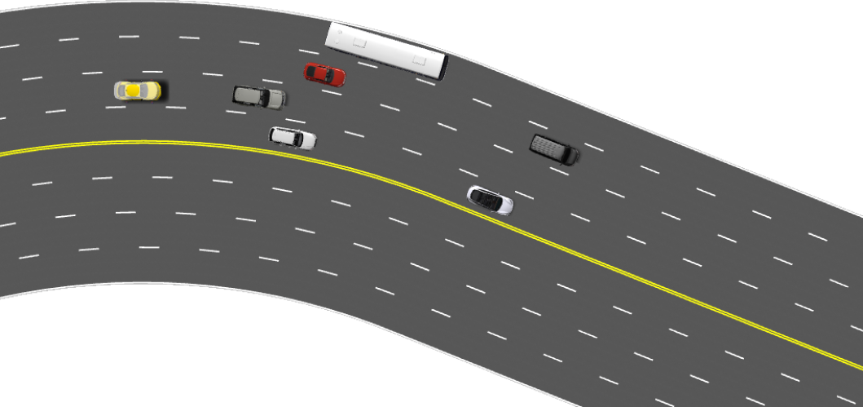 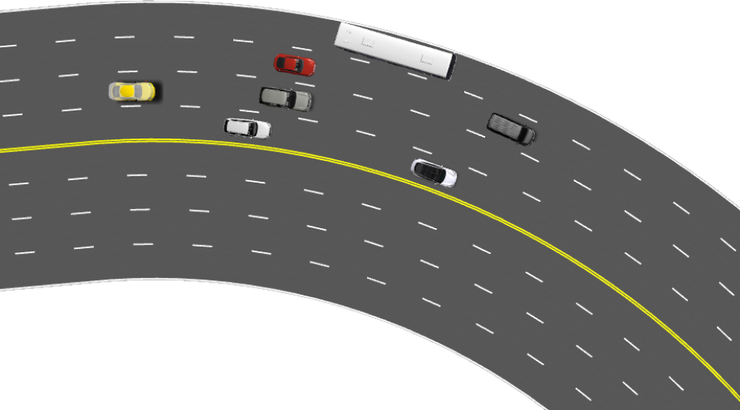  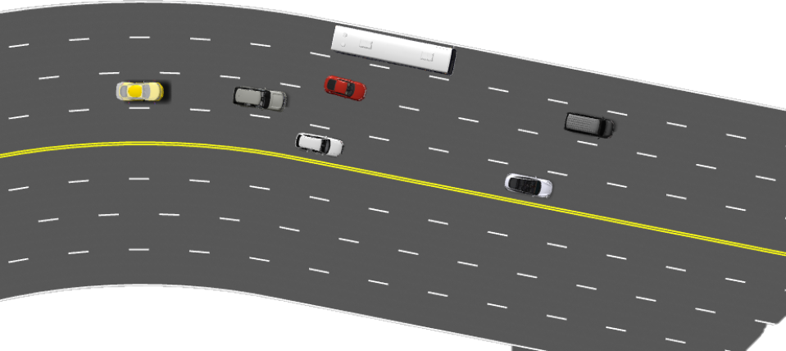 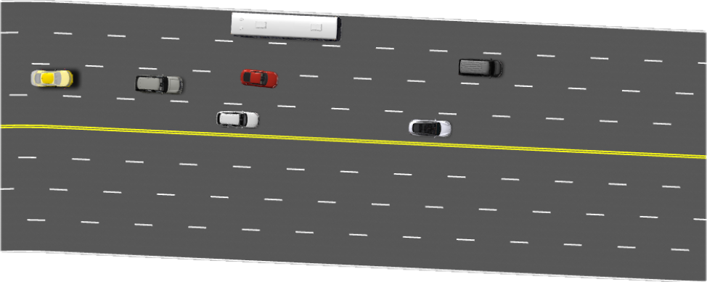 

Scene 2
Scene 3
Scene 1

Scene 4
Scene 5
Scene 6

